Ark1
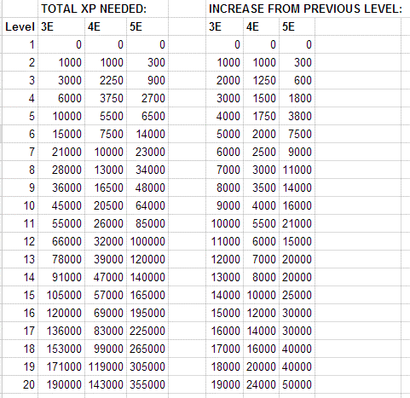
Session | 1 |  |  | Session | 2 |  |  | Session | 3 | Dag |  | Session | 4 | aften
Encounters |  |  |  | Encounters |  |  |  | Encounters |  |  |  | Encounters
Goblins
Goblin Boss
Hobgoblin Captain
Marzick
Escaping

 | - |  |  |  | - |  |  |  | - |  |  |  | -
Party members | Active=1 |  |  | Party members | Active=1 |  |  | Party members | Active=1 |  |  | Party members | Active=1
Gruff | 1 |  |  | Gruff | 1 |  |  | Gruff | 1 |  |  | Gruff | 1
Karsus | 1 |  |  | Karsus | 1 |  |  | Karsus | 1 |  |  | Karsus | 1
Bouw | 1 |  |  | Bouw | 1 |  |  | Bouw | 1 |  |  | Bouw | 1
Quilin | 1 |  |  | Quilin | 1 |  |  | Quilin | 1 |  |  | Quilin | 1
Caius | 1 |  |  | Caius | 1 |  |  | Caius | 1 |  |  | Caius | 1
NPC Ulfgar | 1 |  |  | NPC Ulfgar | 1 |  |  | NPC Ulfgar | 1 |  |  | NPC Ulfgar | 1
NPC Roland | 1 |  |  | NPC Roland | 1 |  |  | NPC Roland | 1 |  |  | NPC Roland | 1
NPC Enna | 1 |  |  | NPC Enna | 1 |  |  | NPC Enna | 1 |  |  | NPC Enna | 1
 | 8 |  |  |  | 8 |  |  |  | 8 |  |  |  | 8

XP per active character | - |  |  | XP per active character | - |  |  | XP per active character | - |  |  | XP per active character | -

 | Share XP | Individual | Total |  | Share XP | Individual | Total |  | Share XP | Individual | Total |  | Share XP | Individual | Total
Gruff | - |  | - | Gruff | - |  | - | Gruff | - |  | - | Gruff | - |  | -
Karsus | - |  | - | Karsus | - |  | - | Karsus | - |  | - | Karsus | - |  | -
Bouw | - |  | - | Bouw | - |  | - | Bouw | - |  | - | Bouw | - |  | -
Quilin | - |  | - | Quilin | - |  | - | Quilin | - |  | - | Quilin | - |  | -
Caius | - |  | - | Caius | - |  | - | Caius | - |  | - | Caius | - |  | -
NPC Ulfgar | - |  | - | NPC Ulfgar | - |  | - | NPC Ulfgar | - |  | - | NPC Ulfgar | - |  | -
NPC Roland | - |  | - | NPC Roland | - |  | - | NPC Roland | - |  | - | NPC Roland | - |  | -
NPC Enna | - |  | - | NPC Enna | - |  | - | NPC Enna | - |  | - | NPC Enna | - |  | -
Check sum | 0 |  |  | Check sum | 0 |  |  | Check sum | 0 |  |  | Check sum | 0

